Sheet1
Bug ID | Bug description | Priority | Screenshot
B_01 | The create account button is not clickable | P0 | 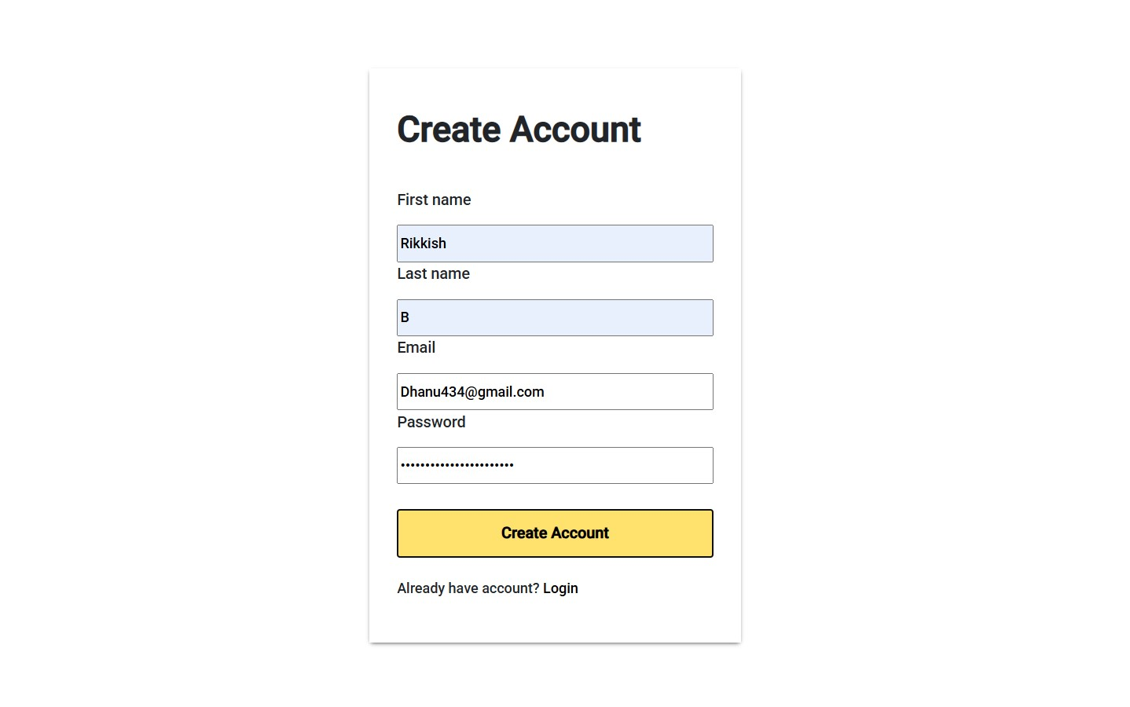
B_02 | The login has been sucessful but without regestering the account with credentils | P0 | 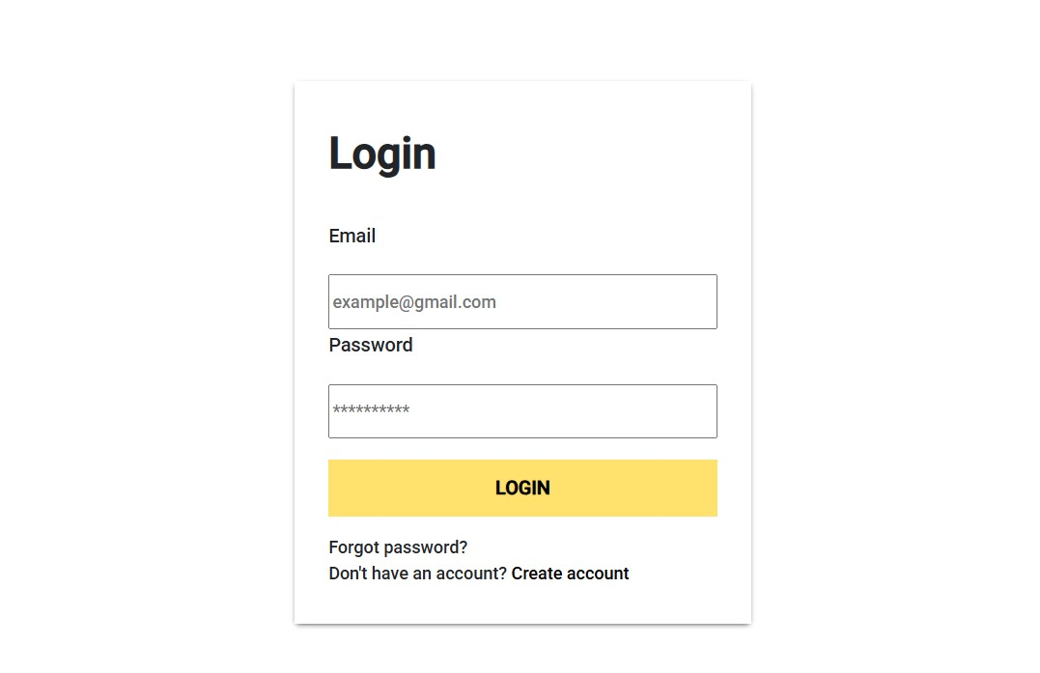
B_03 | The footer links are not clickable | P1 | 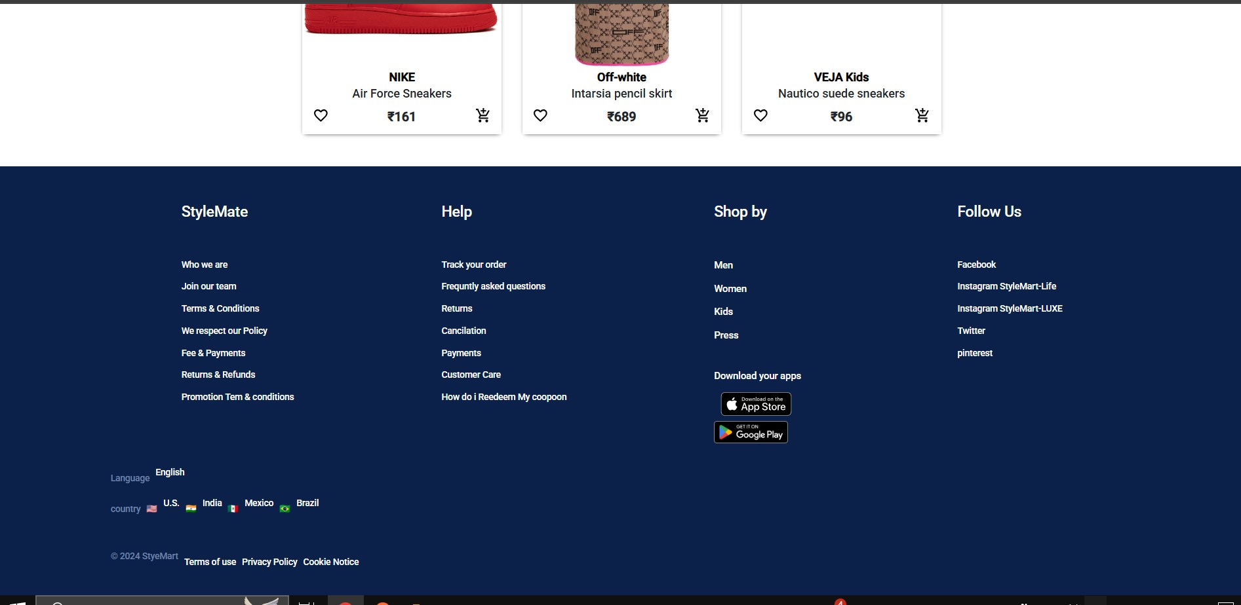
B_04 | The search functionality is not able to able to find the product | P1 | 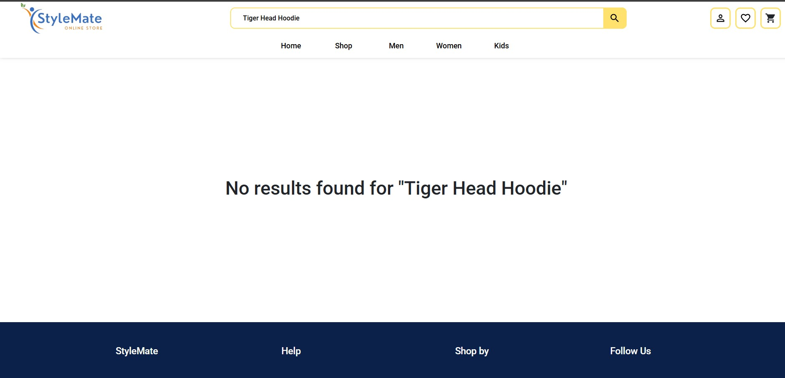
B_05 | The product is added to wishlist but the image is broken and also there is no pop up message after adding the image to the wishlist and by clicking the image the it has to re-redirect the the user to product page | P2 | 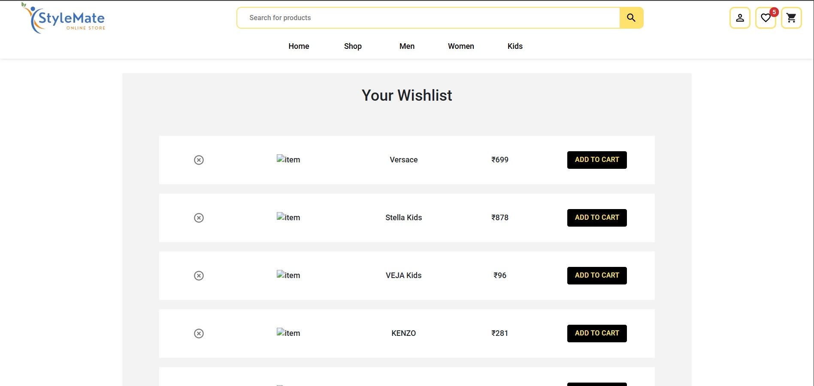
B_06 | The product is added to cart but the image is broken and also there is no pop up message after adding the image to the cart and by clicking the image the it has to re redirect the the user to product page | P2 | 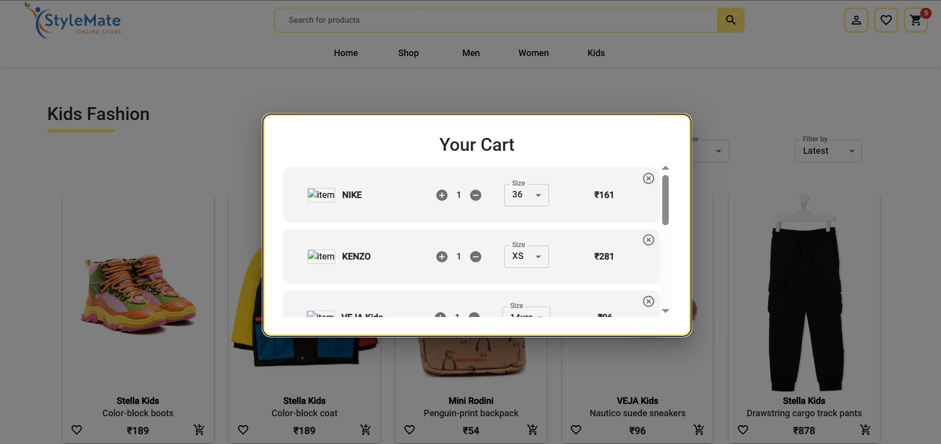
B_07 | The checkout button is not clickable | 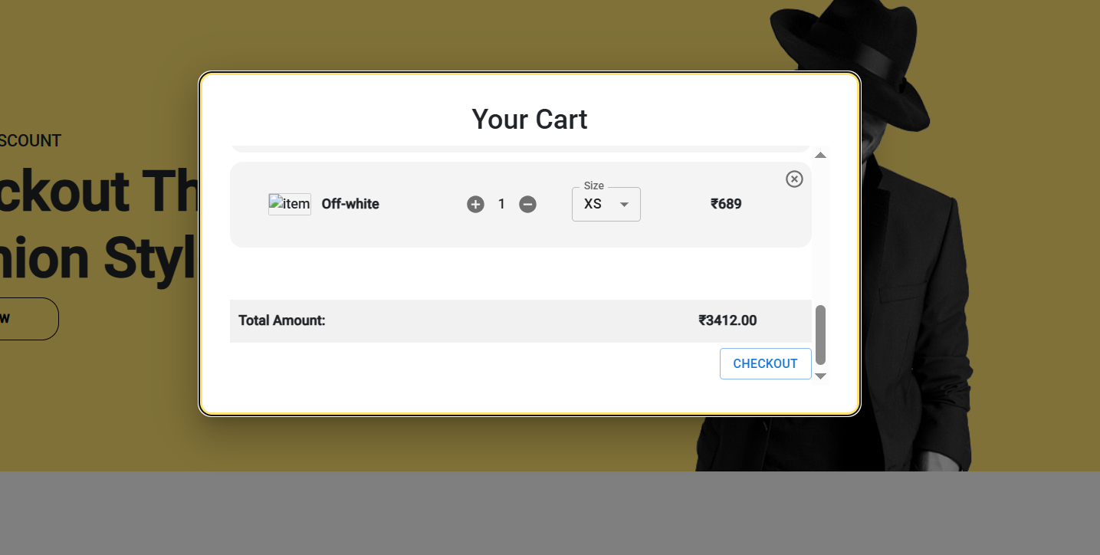 P1

